AVR_LCD 2.0 BOM with Notes
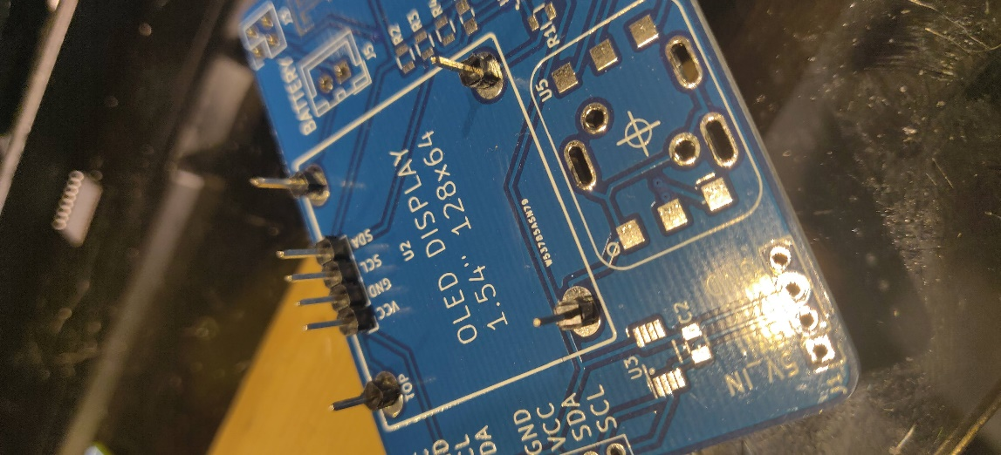
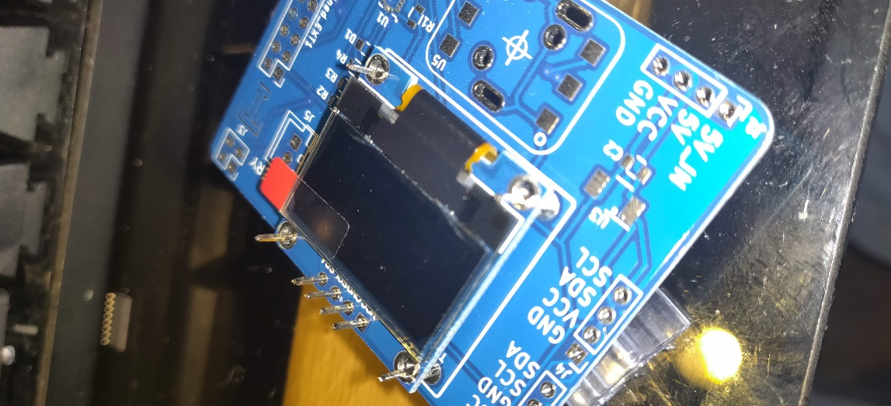
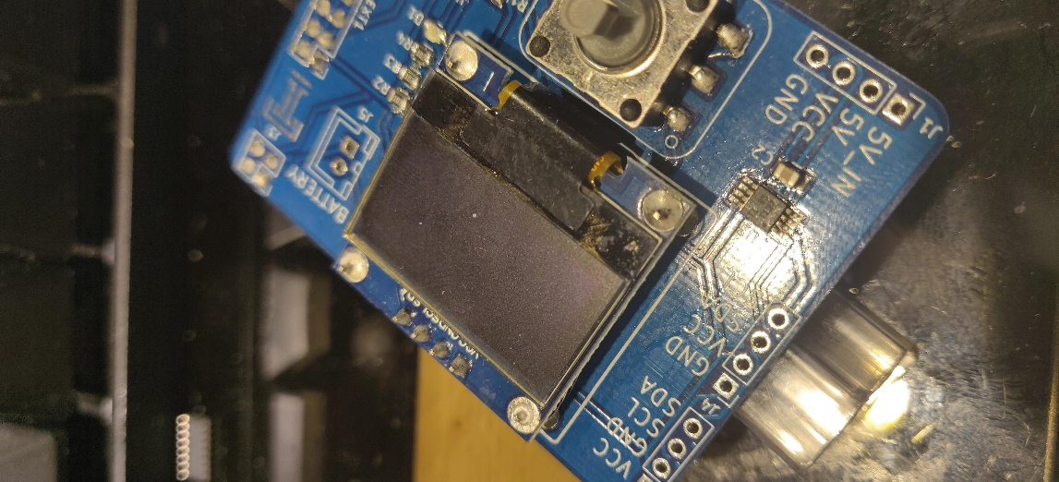
Component | Description | Part | Designer Desciption | Example Item | References | Value | Footprint | Quantity Per PCB | Datasheet
1 | Generic connector, double row, 02x10, odd/even pin numbering scheme (row 1 odd numbers, row 2 even numbers), script generated (kicad-library-utils/schlib/autogen/connector/) | Conn_02x10_Odd_Even | 2 by 10 0.1 Inch Right angle FEMALE pin header | https://www.ebay.com/itm/5PCS-2x10Pin-2-54mm-Pitch-Header-Right-Angle-Female-Double-Row-Socket-Connector/132474485107?hash=item1ed8183973:g:6rAAAOSwl2haMs3D:rk:3:pf:1&frcectupt=true | BreakOut_EXT1 X-Plained_EXT1 | Conn_02x10_Odd_Even | Pin_Header_Straight_2x10_Pitch2.54mm | 2 | ~
2 | Unpolarized capacitor | C | 1uF 0805 Cap |  | C1 C2 C3 | 1uF | C_0805 | 3 | ~
3 | LED generic | LED | Green 0805 LED |  | D1 | LED | LED_0805 | 1 | ~
4 | Generic connector, single row, 01x02, script generated (kicad-library-utils/schlib/autogen/connector/) | Conn_01x02 | Battery Connector | https://www.digikey.com/product-detail/en/B2B-PH-K-S(LF)(SN)/455-1704-ND/926611/?itemSeq=284861168 | J5 | Conn_01x02 | JST_XH_B02B-XH-A_02x2.50mm_Straight | 1 | ~
5 | Generic connector, single row, 01x04, script generated (kicad-library-utils/schlib/autogen/connector/) | Conn_01x04 | 4 pos 0.1 Inch FEMALE pin header |  | J1 J2 J4 | Conn_01x04 | Pin_Header_Straight_1x04_Pitch2.54mm | 3 | ~
6 | Generic connector, double row, 02x02, odd/even pin numbering scheme (row 1 odd numbers, row 2 even numbers), script generated (kicad-library-utils/schlib/autogen/connector/) | Conn_02x02_Odd_Even | 4 pos 0.1 Inch FEMALE pin header |  | J3 | Conn_02x02_Odd_Even | Pin_Header_Straight_2x02_Pitch2.54mm | 1 | ~
7 | Resistor | R | 10k 1% |  | R2 R3 | 10K | R_0805 | 2 | ~
8 | Resistor | R | 10k 1% |  | R1 R4 | 1K | R_0805 | 2 | ~
9 | ALS31313KLEATR-1000 | ALS31313 | IC | https://www.digikey.com/product-detail/en/allegro-microsystems-llc/ALS31313KLEATR-1000/620-2007-1-ND/9805849 | U4 | ALS31313 | TSSOP-8_4.4x3mm_Pitch0.65mm | 1

10 | 0.96" I2C IIC SPI Serial 128X64 White OLED LCD LED Display Module XS | I2C_LCD | WHITE I2C LCD | https://www.ebay.com/itm/0-96-I2C-IIC-SPI-Serial-128X64-White-OLED-LCD-LED-Display-Module-XS/332947056186?ssPageName=STRK%3AMEBIDX%3AIT&_trksid=p2060353.m2749.l2649 | U2 | I2C_LCD | SSD1306 | 1
11 | Generic connector, single row, 01x04, script generated (kicad-library-utils/schlib/autogen/connector/) | Conn_01x04 | 4 pos 0.1 Inch MALE pin header |  | NONE | VIEW PICTURES TO RIGHT |  | 1
12 |  | Conn_01x01 | 1 pos 0.1 Inch MALE pin header |  | NONE | VIEW PICTURES TO RIGHT |  | 4

13 | LSM6DS3TR | JOYSTICK_JS5208 | Joystick | https://www.digikey.com/products/en?keywords=eg4561-nd | U5 | JOYSTICK_JS5208 | JS5208 | 1
14 | I2C/SPI, iNEMO inertial module: always-on 3D accelerometer and 3D gyroscope | LSM6DS3 | IMU | https://www.digikey.com/product-detail/en/LSM6DS3TR/497-15383-1-ND/5180534/?itemSeq=284858849 | U1 | LSM6DS3 | Bosch_LGA-14_3x2.5mm_Pitch0.5mm | 1 | www.st.com/resource/en/datasheet/lsm6ds3.pdf
15 | TMP75AIDGKR | TMP75 | Temp Sensor | https://www.digikey.com/product-detail/en/texas-instruments/TMP75AIDGKR/296-26837-1-ND/2255196 | U3 | TMP75 | 8-TSSOP (1.27mm PITCH, 5.4mm WIDTH) | 1

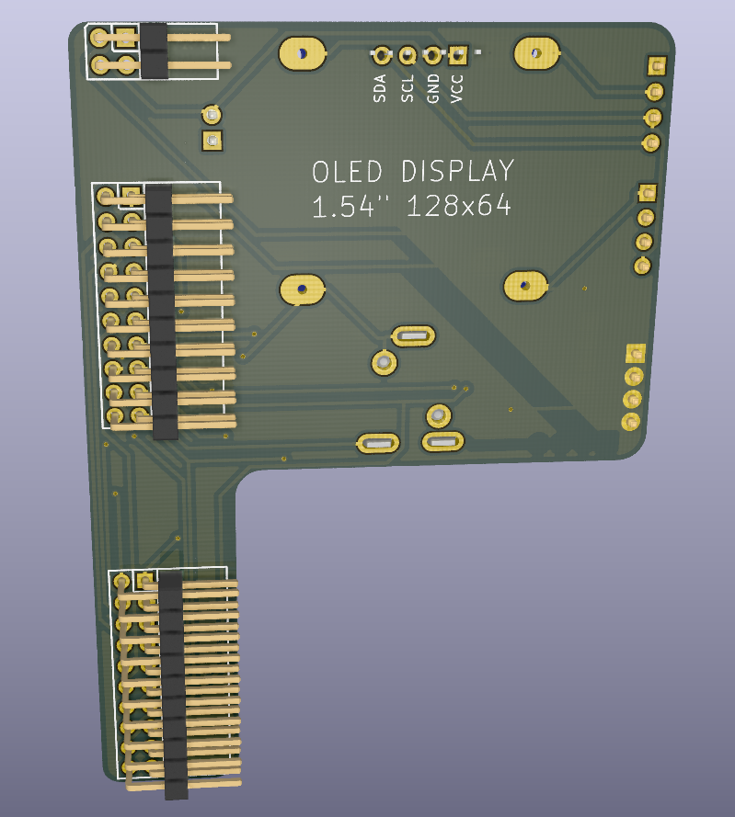
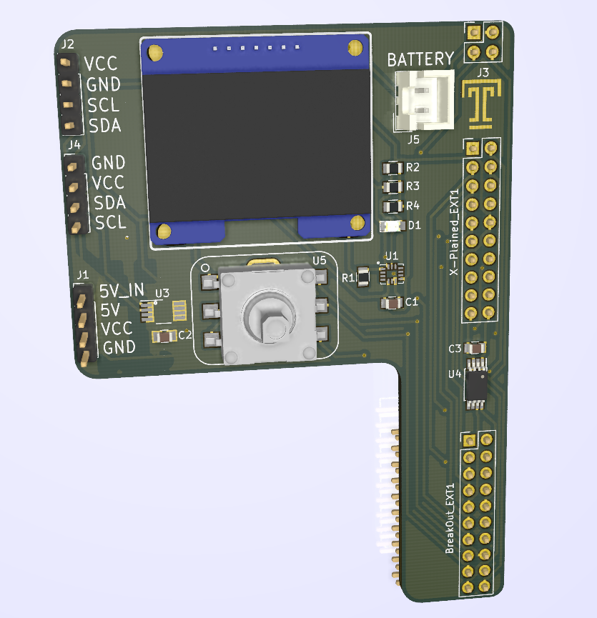
 |  |  |  |  |  |  |  |  |  | *** TRIM EXCESS HEIGHT FROM HEADERS

Component Groups: | 15
Component Count: | 25
Fitted Components: | 25
Number of PCBs: | 1
Total components: | 25
Schematic Version:
Schematic Date:
BoM Date: | 2/20/19
Schematic Source: | C:\Users\Reed\Documents\Doc H LCD\AVR_LCD 2.0\AVR_LCD 2.0.sch
KiCad Version: | Eeschema (5.0.0)

